Sheet1
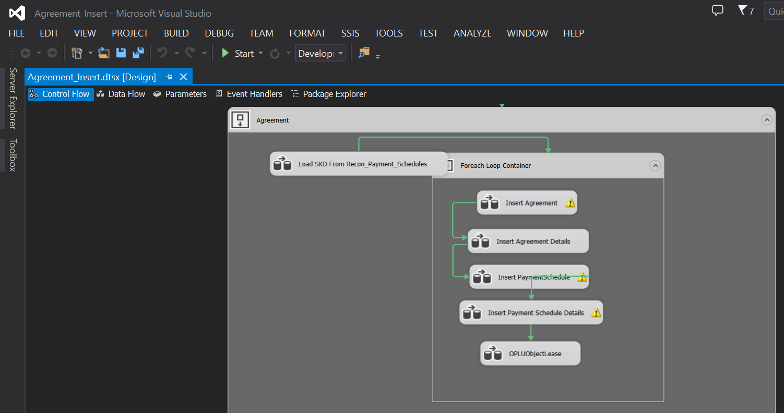
Migrasi data recon, minta dulu data recon di kirim ke PIC MFAPPL jika belum di kirim ( filter by Agreement Number )

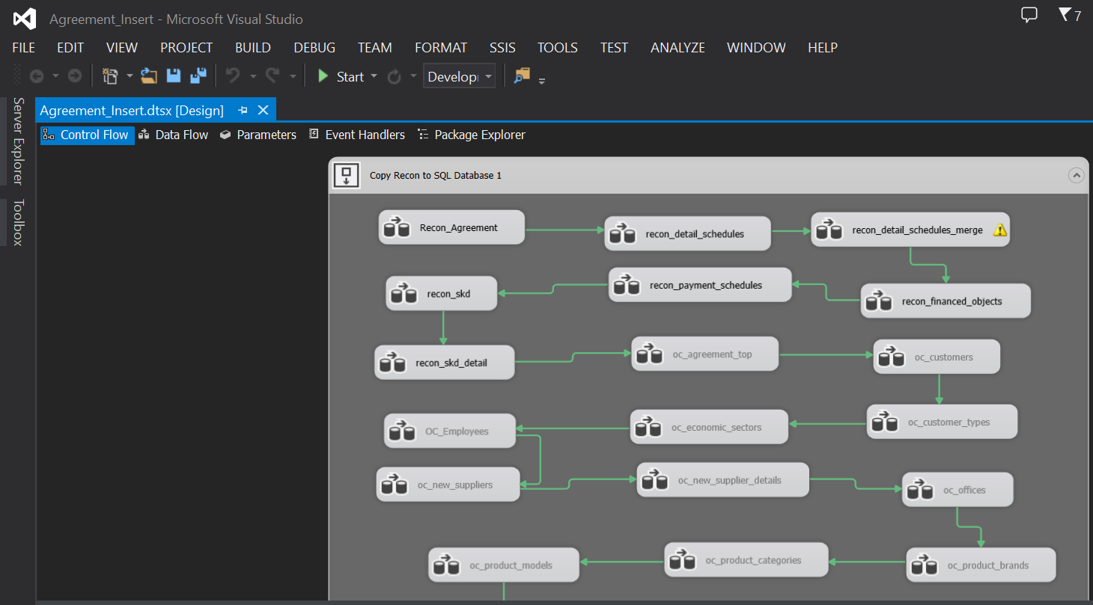

Setelah recon selesai, lanjut migrasi Calculation - SKD ( filter by Agreement Number )

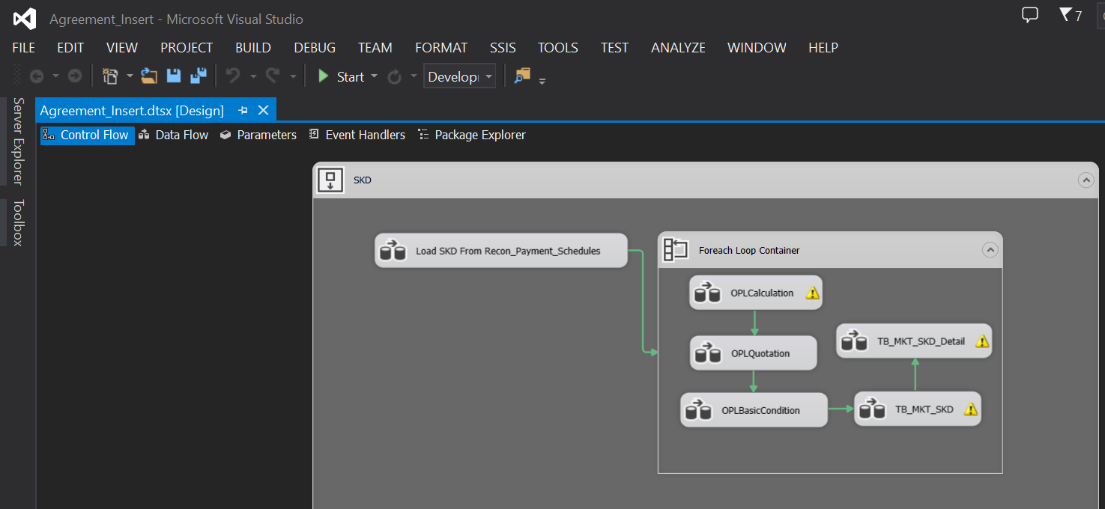

Lanjut migrasi Agreement - Unit

Sheet2
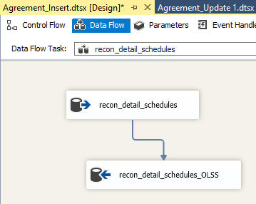
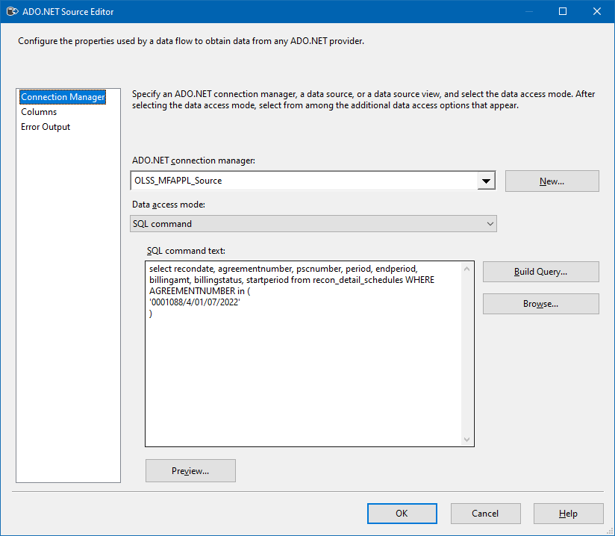
0 | Connection Managers

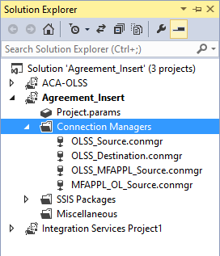
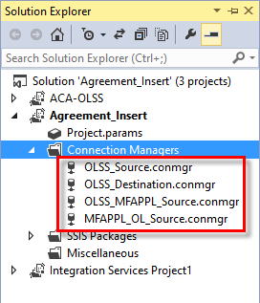

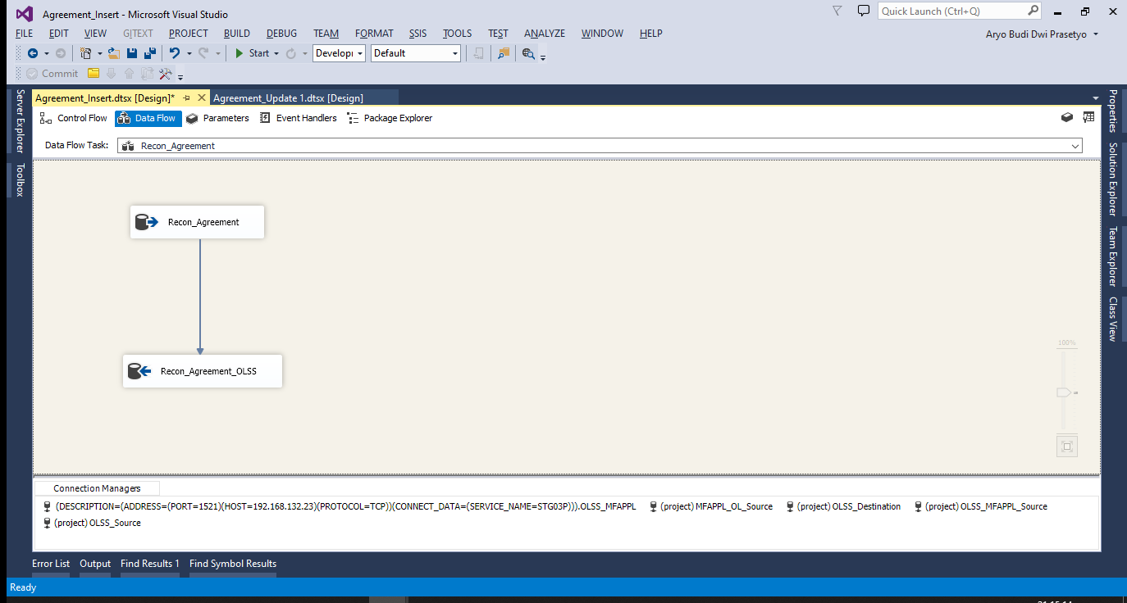
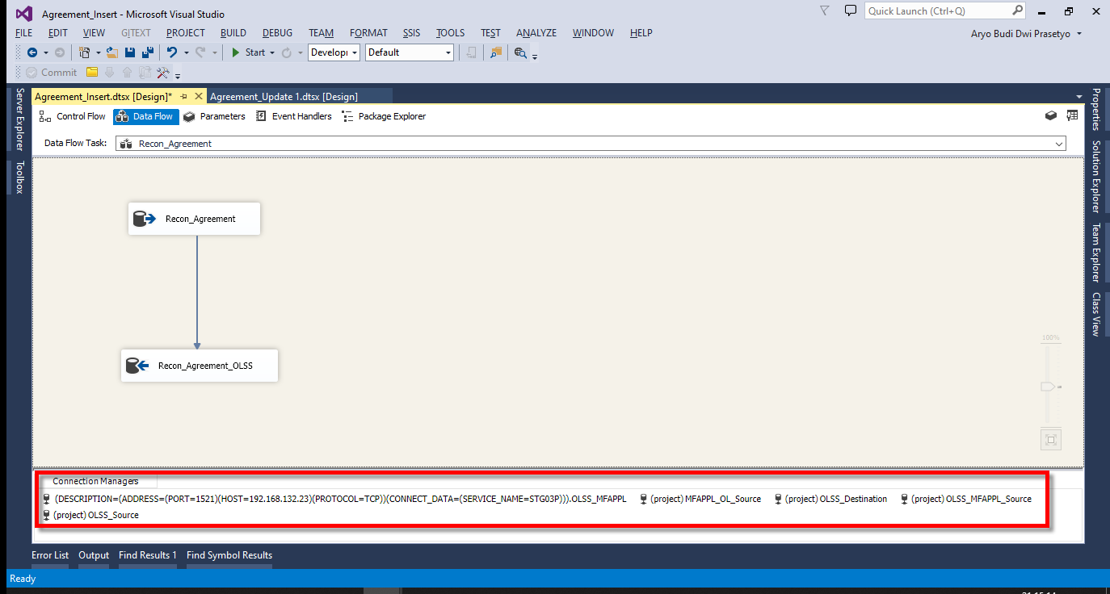

 | SQL SERVER | ORACLE

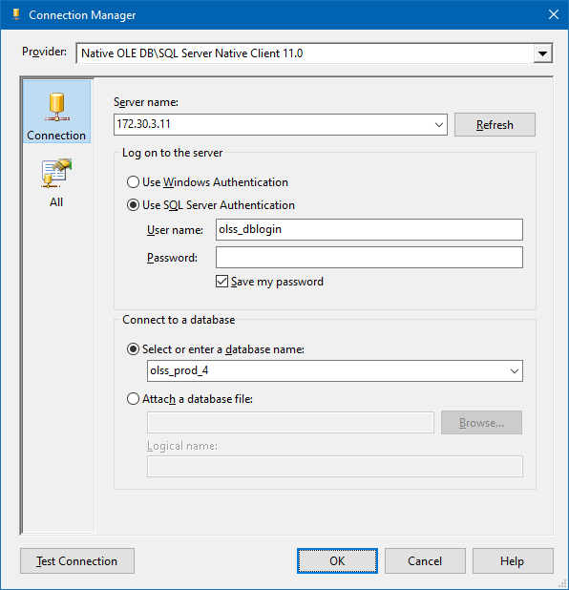
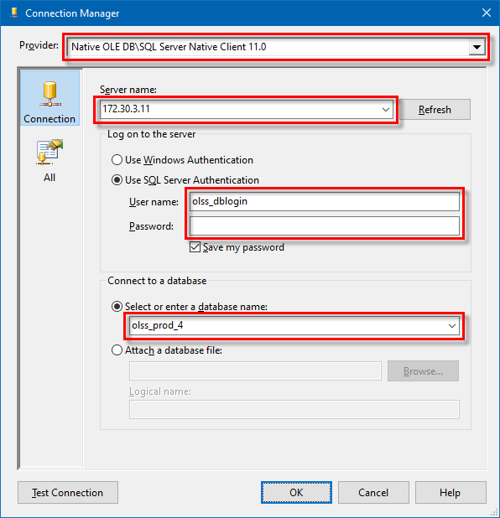
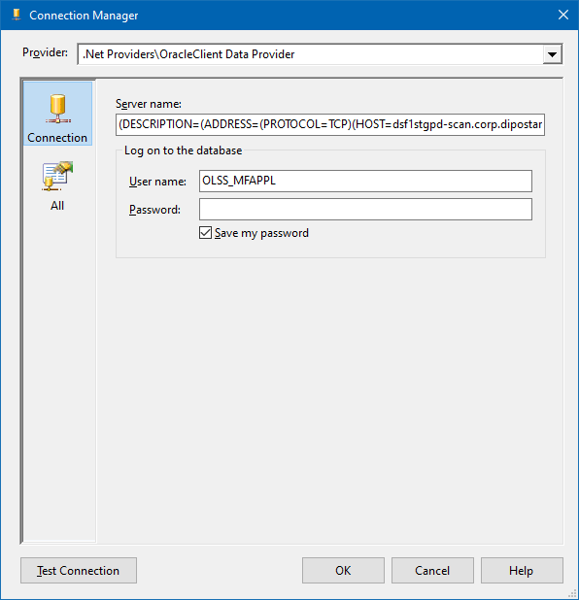
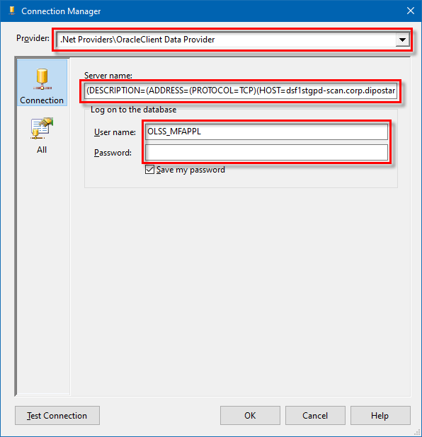

0 | Recon Migration

 | Request staging Recon Data to Tim MFAPPL

 | Email Sample:
 | RE: Service Request S0280399 RE: #197832 - #201120 - Migrasi Data Kendaraan PT Kinarya Selarasa Piranti

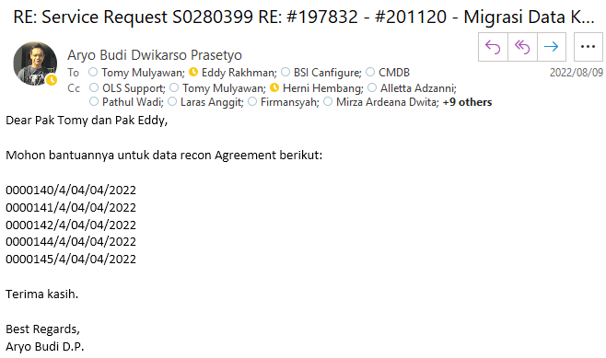

0 | Migration Process

 | Open SSIS Pacakge

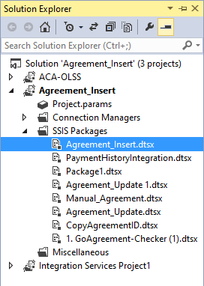
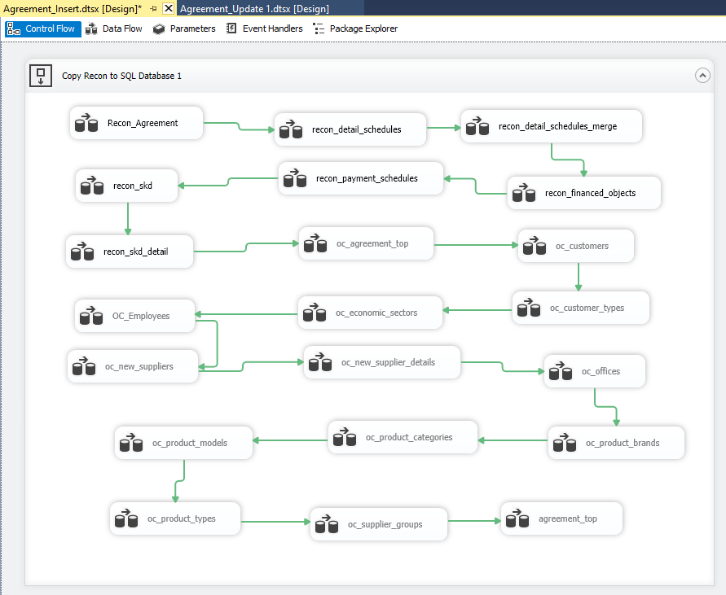

 | Urutan Proses Migrasi Recon lihat di sini:
 | S0272274 - (Urgent) Migrasi Data MFAPPL ke OLSS (Agreement PT KSP 3 Agreement)
 | 20220613MON

 | Recon Agrement ((Sample Screen)

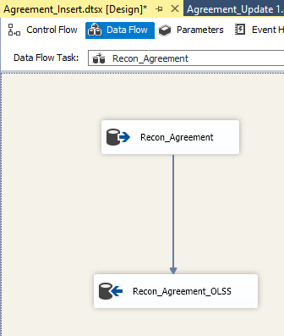
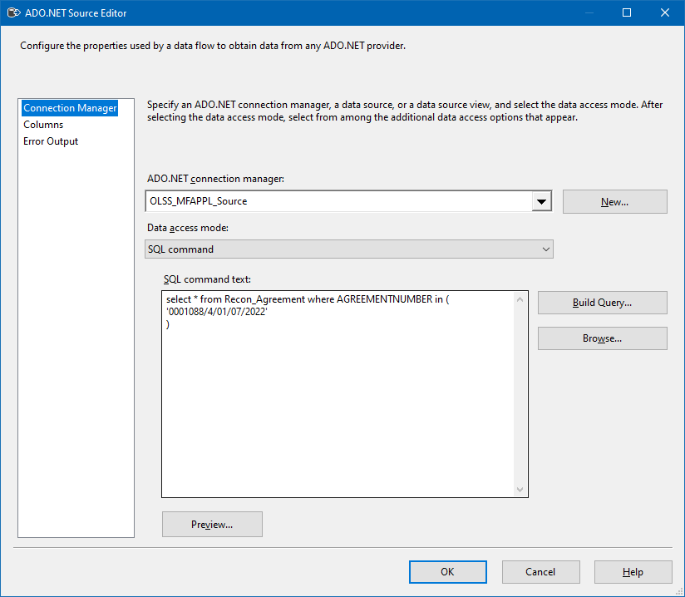

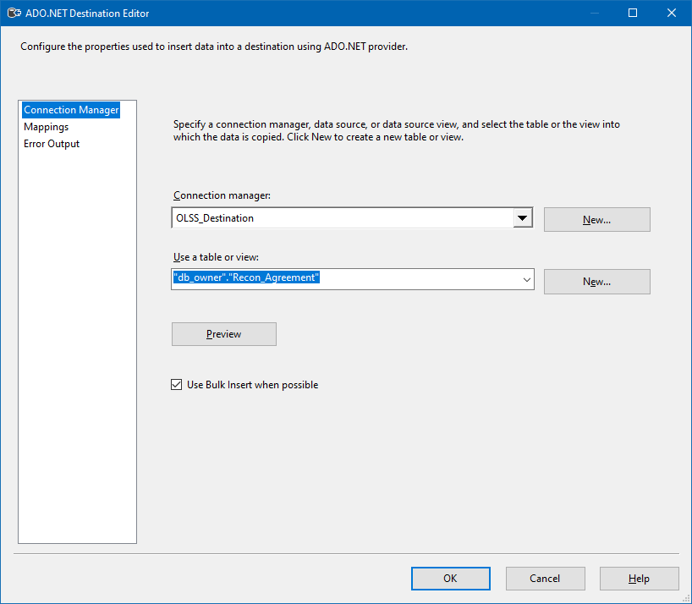

 | Execute Task

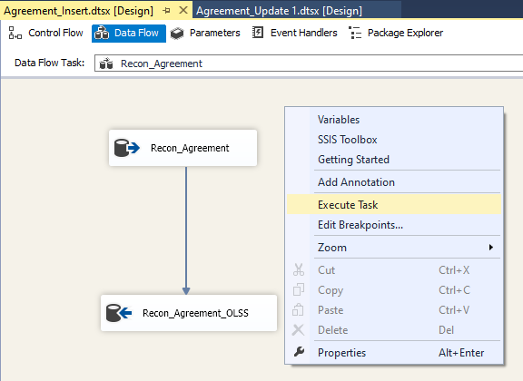
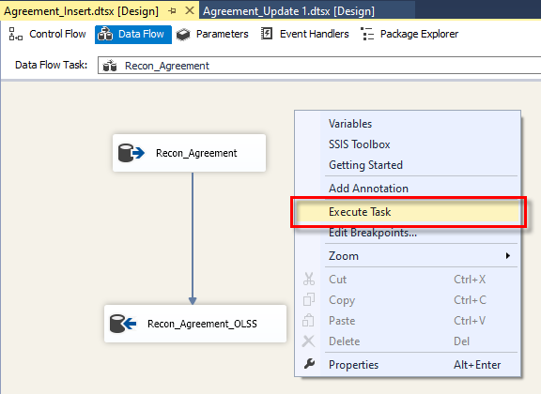

0

 | Recon Detail Schedules

Sheet3
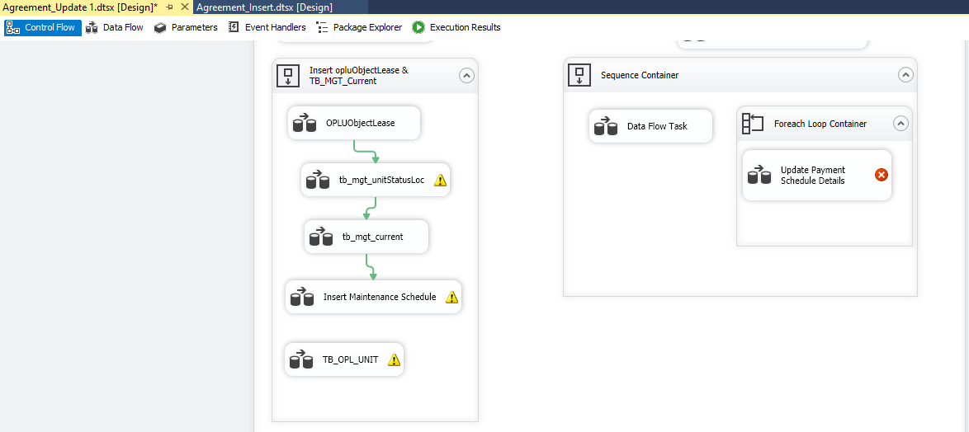
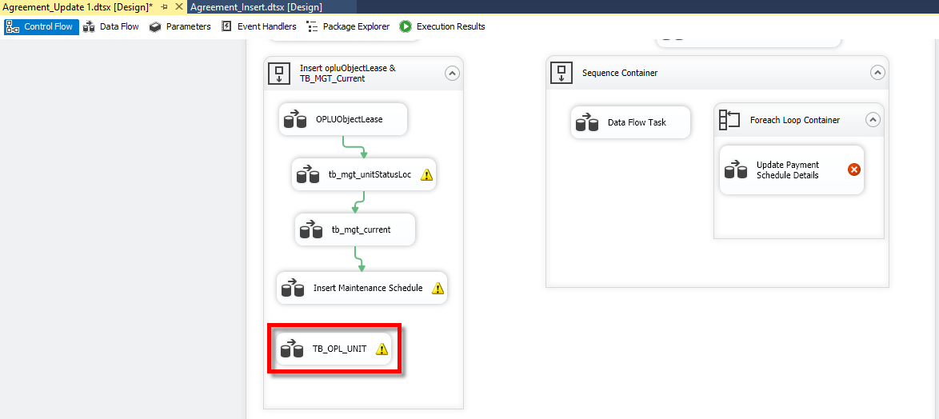

1

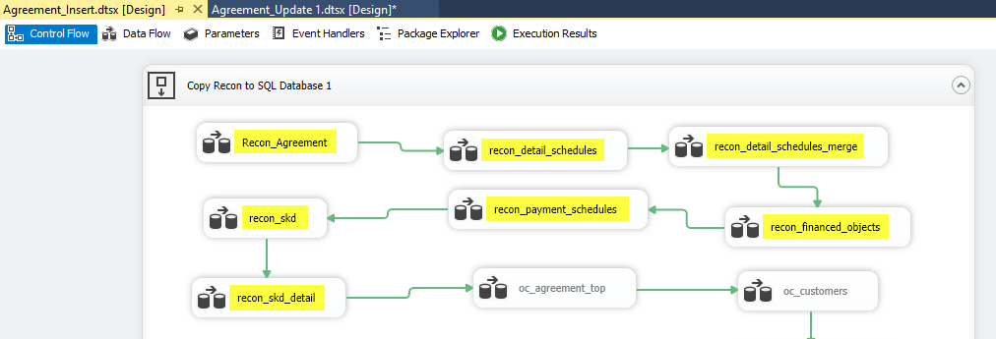

 | MFAPPL | select a.* from olss_mfappl..OLSS_MFAPPL.RECON_AGREEMENT a where a.agreementnumber in ('0000960/4/08/02/2023');
 | OLSS | select a.* from db_owner.RECON_AGREEMENT a where a.agreementnumber in ('0000960/4/08/02/2023');

 | MFAPPL | select a.* from olss_mfappl..OLSS_MFAPPL.RECON_DETAIL_SCHEDULES a where a.agreementnumber in ('0000960/4/08/02/2023');
 | OLSS | select a.* from db_owner.RECON_DETAIL_SCHEDULES a where a.agreementnumber in ('0000960/4/08/02/2023');

 | MFAPPL | select a.* from olss_mfappl..OLSS_MFAPPL.RECON_DETAIL_SCHEDULES_MERGE a where a.agreementnumber in ('0000960/4/08/02/2023');
 | OLSS | select a.* from db_owner.RECON_DETAIL_SCHEDULES_MERGE a where a.agreementnumber in ('0000960/4/08/02/2023');

 | MFAPPL | select a.* from olss_mfappl..OLSS_MFAPPL.RECON_FINANCED_OBJECTS a where a.agreementnumber in ('0000960/4/08/02/2023');
 | OLSS | select a.* from db_owner.RECON_FINANCED_OBJECTS a where a.agreementnumber in ('0000960/4/08/02/2023');

 | MFAPPL | select a.* from olss_mfappl..OLSS_MFAPPL.RECON_PAYMENT_SCHEDULES a WHERE a.agreementnumber in ('0000960/4/08/02/2023');
 | OLSS | select a.* from db_owner.RECON_PAYMENT_SCHEDULES a where a.agreementnumber in ('0000960/4/08/02/2023');

 | MFAPPL | select a.* from olss_mfappl..OLSS_MFAPPL.RECON_SKD a where a.skd_number in ('0000883/4/08/12/2022');
 | OLSS | select a.* from db_owner.RECON_SKD a where a.skd_number in ('0000883/4/08/12/2022');

 | MFAPPL | select a.* from olss_mfappl..OLSS_MFAPPL.RECON_SKD_DETAIL a where skd_number in ('0000883/4/08/12/2022');
 | OLSS | select a.* from db_owner.RECON_SKD_DETAIL a where a.skd_number in ('0000883/4/08/12/2022');

 | select a.* from db_owner.recon_agreement a where a.agreementnumber = '0000960/4/08/02/2023';
 | select a.* from db_owner.recon_detail_schedules a where a.agreementnumber = '0000960/4/08/02/2023';
 | select a.* from db_owner.recon_detail_schedules_merge a where a.agreementnumber = '0000960/4/08/02/2023';
 | select a.* from db_owner.recon_financed_objects a where a.agreementnumber = '0000960/4/08/02/2023';
 | select a.* from db_owner.recon_payment_schedules a where a.agreementnumber = '0000960/4/08/02/2023';

 | select a.* from db_owner.recon_skd a where a.skd_number = '0000164/4/04/06/2022';
 | select a.* from db_owner.recon_skd_detail a where a.skd_number = '0000164/4/04/06/2022';

 | select a.* from Tb_MKT_SKD a where a.SKDNo = '0000164/4/04/06/2022';
 | select a.* from Tb_MKT_SKD_Dtl a where a.IdTb_MKT_SKD = 4471;

 | select a.* from OPLAgreement a where a.AgreementNumber = '0000960/4/08/02/2023';
 | select a.* from OPLAgreementDetails a where a.IdOPLAgreement = 3539;
 | select a.* from Tb_BIL_PaySchedule a where a.IdOPLAgreement = 3539;
 | select a.* from Tb_BIL_PayScheduleDtl a where a.IdTb_BIL_PaySchedule = 5550;
 | select a.* from OPLUObjectLease a where a.IdOPLAgreement = 3539;

 | select a.* from Tb_OPL_Unit a where a.CreatedBy = 'Migrasi MFAPPL' and convert(date, a.CreatedDate) = '2022-10-17' order by a.CreatedDate desc;
 | select a.* from Tb_MGT_UnitStatusLoc a where a.CreatedBy = 'Migrasi MFAPPL' and convert(date, a.CreatedDate) = '2022-10-17';
 | select a.* from Tb_MGT_Current a where a.IdOPLAgreement = 3539;
 | select a.* from Tb_MTN_Monschdl a where a.AgreementNumber = '0000960/4/08/02/2023';

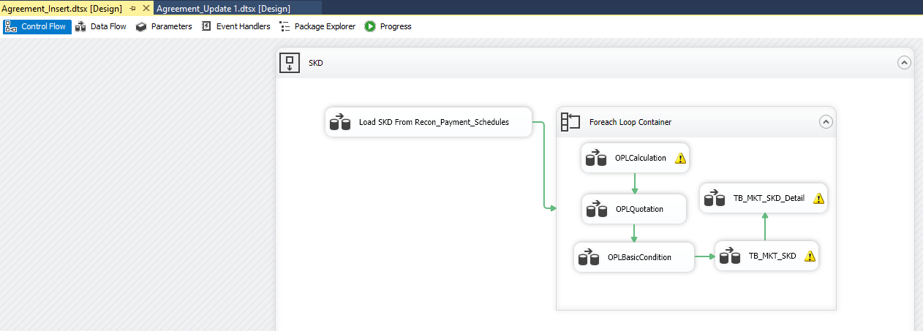

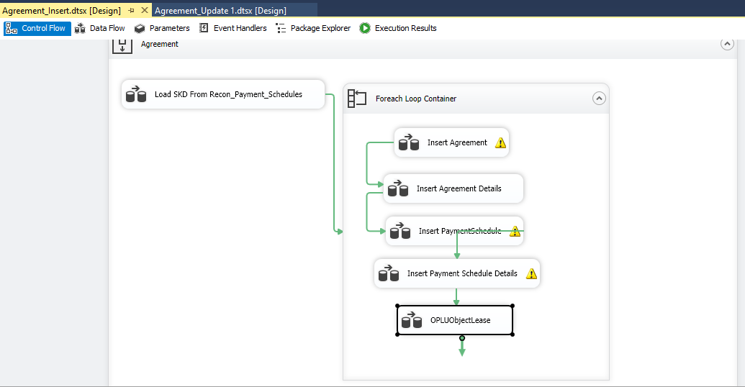

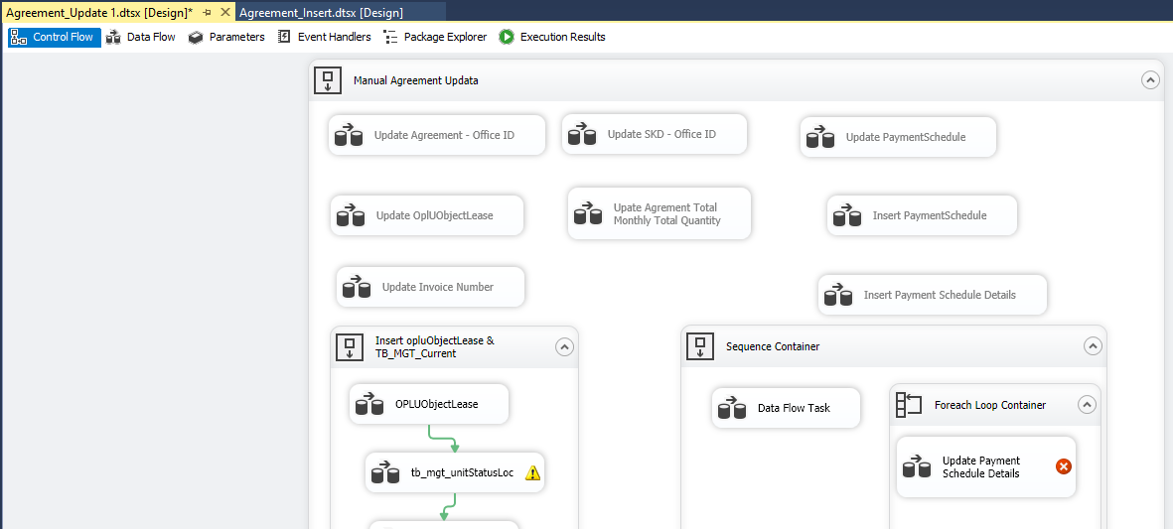
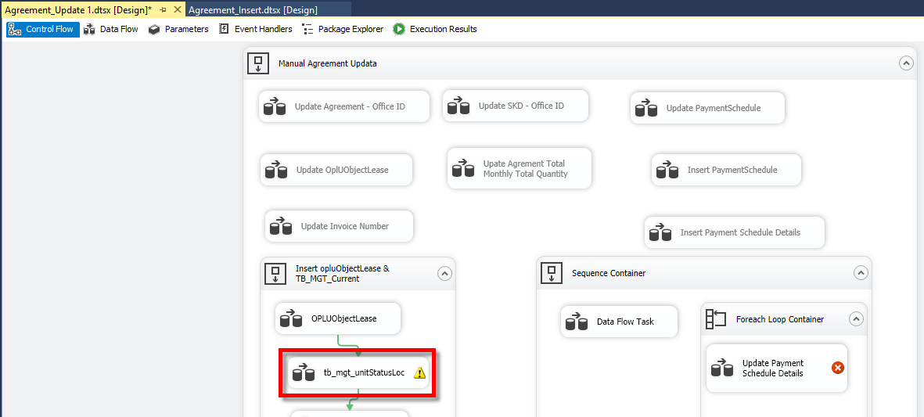

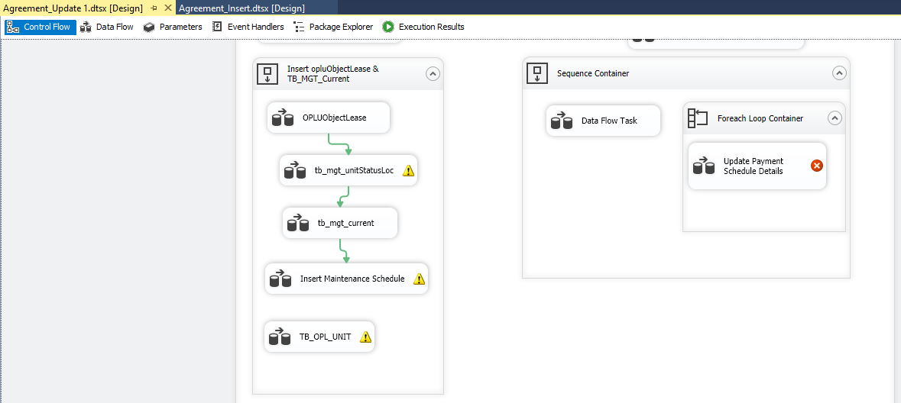
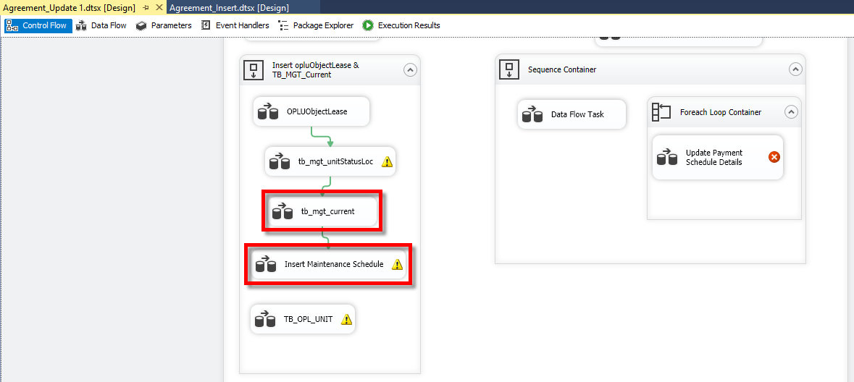

SETELAH MIGRASI CEK DI AGREEMENT BERIKUT:

OPLAgreement.AdditionalReportClause = null --> SEHARUSNYA = 0

INSERT MANUAL:

Tb_MGT_HistoryDoc |  |  | TB_MGT_DailyRecordCar | TB_MGT_DailyRecordCarHistory

begin tran; |  |  | begin tran; | begin tran;

insert into Tb_MGT_HistoryDoc ( |  |  | insert into TB_MGT_DailyRecordCar ( | insert into TB_MGT_DailyRecordCarHistory (
--IdTb_MGT_HistoryDoc, |  |  | --IdTb_MGT_DailyRecordCar, | IdTb_MGT_DailyRecordCar,
IdTb_OPL_Unit, StartDate, EndDate, DocValue, IsDelete, |  |  | IdOPLAgreement, IdTb_OPL_Unit, Mileage, InDate, OutDate, | IdOPLAgreement, IdTb_OPL_Unit, Mileage, InDate, OutDate,
RemarksSys, CreatedBy, CreatedDate, LastModifiedBy, LastModifiedDate |  |  | Allocation, [Status], Aging, Province, City, ParkingLocation, | Allocation, Status, Aging,
) |  |  | SoldPrice, BookValue, GainLoss, SoldDate, | Province, City, ParkingLocation,
 |  |  | ContractStatus, BuyerName, Remark, IsDelete, | SoldPrice, BookValue, GainLoss, SoldDate,
select |  |  | RemarksSys, CreatedBy, CreatedDate, LastUpdatedBy, LastUpdatedDate | ContractStatus, BuyerName, Remark,
--null as IdTb_MGT_HistoryDoc, |  |  | ) | IsDelete, RemarksSys, CreatedBy, CreatedDate, LastUpdatedBy, LastUpdatedDate
b.IdTb_OPL_Unit, |  |  |  | )
convert(date, getdate()) as StartDate, |  |  | select
dateadd(year, 1, convert(date, getdate())) as EndDate, |  |  | --null as IdTb_MGT_DailyRecordCar, | select
1 as DocValue, -- 1 = STNK | 2 = KEUR | 3 = Insurance |  |  | a.IdOPLAgreement, | IdTb_MGT_DailyRecordCar,
0 as IsDelete, |  |  | b.IdTb_OPL_Unit, | IdOPLAgreement, IdTb_OPL_Unit, Mileage, InDate, OutDate,
'S0292751' as RemarksSys, |  |  | 0 as Mileage, | Allocation, Status, Aging,
'BSI ARYO BUDI' as CreatedBy, |  |  | null as InDate, | Province, City, ParkingLocation,
getdate() as CreatedDate, |  |  | null as OutDate, | SoldPrice, BookValue, GainLoss, SoldDate,
null as LastModifiedBy, |  |  | 44 as Allocation, -- Active | ContractStatus, BuyerName, Remark,
null as LastModifiedDate |  |  | 48 as [Status], -- In Use/ Running Contract | IsDelete, RemarksSys, CreatedBy, CreatedDate, LastUpdatedBy, LastUpdatedDate
from OPLAgreement a |  |  | 0 as Aging, | from TB_MGT_DailyRecordCar a
join OPLUObjectLease b |  |  | null as Province, | where a.IdOPLAgreement = 3525;
on a.IdOPLAgreement = b.IdOPLAgreement |  |  | null as City,
where a.AgreementNumber = '0000744/4/08/08/2022' |  |  | null as ParkingLocation, | --rollback tran;
 |  |  | null as SoldPrice, | --commit tran;
union all |  |  | null as BookValue,
 |  |  | null as GainLoss, | CEK:
select |  |  | null as SoldDate,
--null as IdTb_MGT_HistoryDoc, |  |  | null as ContractStatus, | select e.*
b.IdTb_OPL_Unit, |  |  | null as BuyerName, | from OPLAgreement a
convert(date, getdate()) as StartDate, |  |  | null as Remark, | join OPLUObjectLease b
dateadd(year, 1, convert(date, getdate())) as EndDate, |  |  | 0 as IsDelete, | on a.IdOPLAgreement = b.IdOPLAgreement
2 as DocValue, -- 1 = STNK | 2 = KEUR | 3 = Insurance |  |  | 'S0292751' as RemarksSys, | join Tb_OPL_Unit c
0 as IsDelete, |  |  | 'BSI ARYO BUDI' as CreatedBy, | on b.IdTb_OPL_Unit = c.IdTb_OPL_Unit
'S0292751' as RemarksSys, |  |  | getdate() as CreatedDate, | join TB_MGT_DailyRecordCar d
'BSI ARYO BUDI' as CreatedBy, |  |  | null as LastUpdatedBy, | on a.IdOPLAgreement = d.IdOPLAgreement
getdate() as CreatedDate, |  |  | null as LastUpdatedDate | and c.IdTb_OPL_Unit = d.IdTb_OPL_Unit
null as LastModifiedBy, |  |  | from OPLAgreement a | join TB_MGT_DailyRecordCarHistory e
null as LastModifiedDate |  |  | join OPLUObjectLease b | on d.IdTb_MGT_DailyRecordCar = e.IdTb_MGT_DailyRecordCar
from OPLAgreement a |  |  | on a.IdOPLAgreement = b.IdOPLAgreement | where a.AgreementNumber = '0000740/4/08/07/2022';
join OPLUObjectLease b |  |  | where a.AgreementNumber = '0000017/4/34/08/2022';
on a.IdOPLAgreement = b.IdOPLAgreement
where a.AgreementNumber = '0000744/4/08/08/2022' |  |  | --rollback tran;
 |  |  | --commit tran;
union all
 |  |  | CEK:
select
--null as IdTb_MGT_HistoryDoc, |  |  | select d.*
b.IdTb_OPL_Unit, |  |  | from OPLAgreement a
convert(date, getdate()) as StartDate, |  |  | join OPLUObjectLease b
dateadd(year, 1, convert(date, getdate())) as EndDate, |  |  | on a.IdOPLAgreement = b.IdOPLAgreement
3 as DocValue, -- 1 = STNK | 2 = KEUR | 3 = Insurance |  |  | join Tb_OPL_Unit c
0 as IsDelete, |  |  | on b.IdTb_OPL_Unit = c.IdTb_OPL_Unit
'S0292751' as RemarksSys, |  |  | join TB_MGT_DailyRecordCar d
'BSI ARYO BUDI' as CreatedBy, |  |  | on a.IdOPLAgreement = d.IdOPLAgreement
getdate() as CreatedDate, |  |  | and c.IdTb_OPL_Unit = d.IdTb_OPL_Unit
null as LastModifiedBy, |  |  | where a.AgreementNumber = '0000740/4/08/07/2022';
null as LastModifiedDate
from OPLAgreement a
join OPLUObjectLease b
on a.IdOPLAgreement = b.IdOPLAgreement
where a.AgreementNumber = '0000744/4/08/08/2022';

--rollback tran;
--commit tran;

CEK:

select d.*
from OPLAgreement a
join OPLUObjectLease b
on a.IdOPLAgreement = b.IdOPLAgreement
join Tb_OPL_Unit c
on b.IdTb_OPL_Unit = c.IdTb_OPL_Unit
join Tb_MGT_HistoryDoc d
on c.IdTb_OPL_Unit = d.IdTb_OPL_Unit
where a.AgreementNumber = '0000740/4/08/07/2022';

